Sheet3
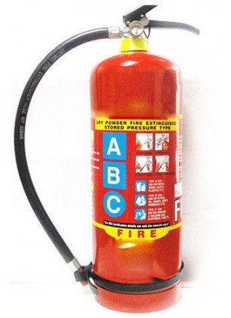 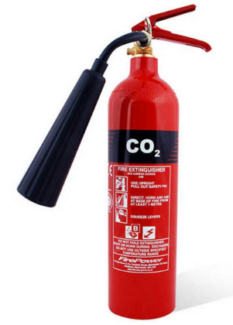 Fire Extinguisher |  |  |  | 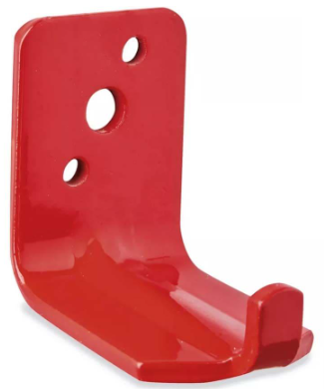 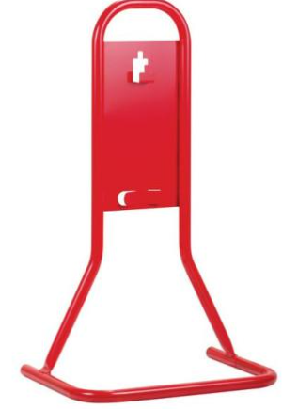 Fire Extinguisher Accessories |  |  |  |  | 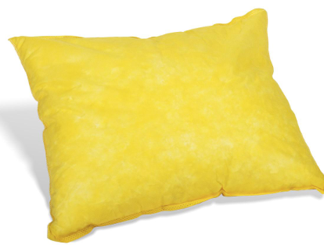 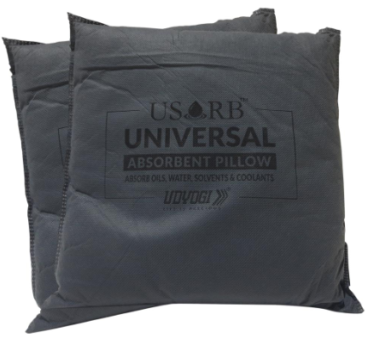 Absorbent Pillow |  |  |  |  | 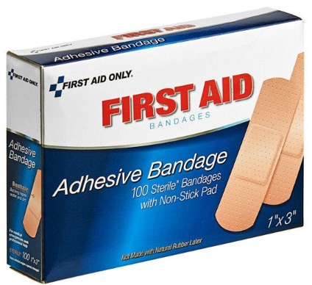 Adhesive Bandage

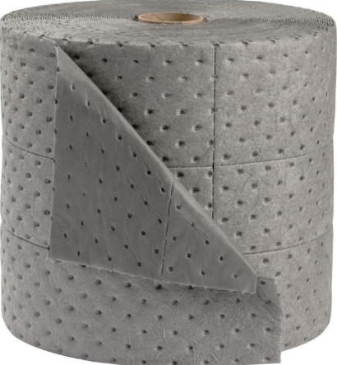 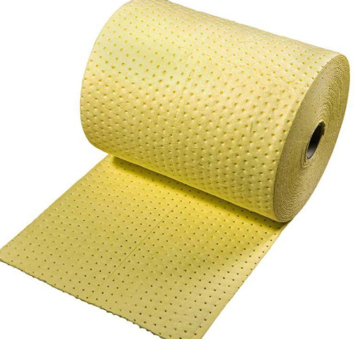 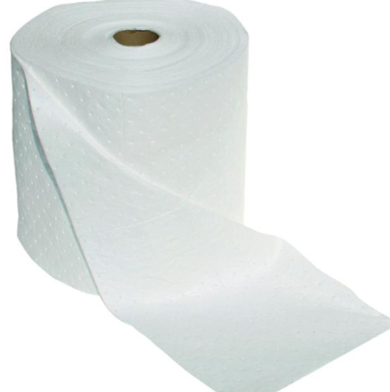 Absorbent Roll |  |  |  |  |  |  | 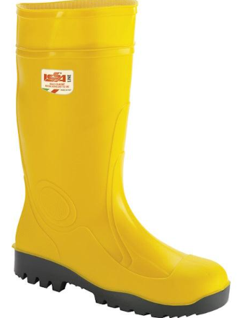 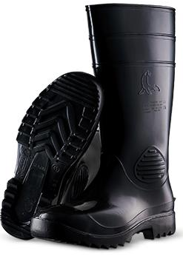 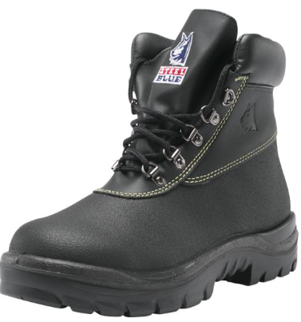 Acid Resistant Boots |  |  |  |  | 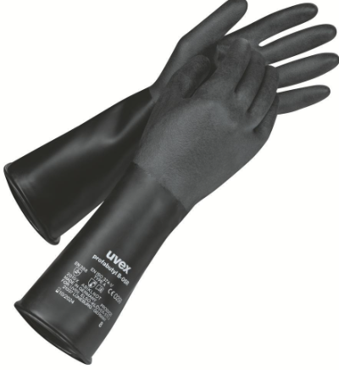 Acid Resistant Gloves

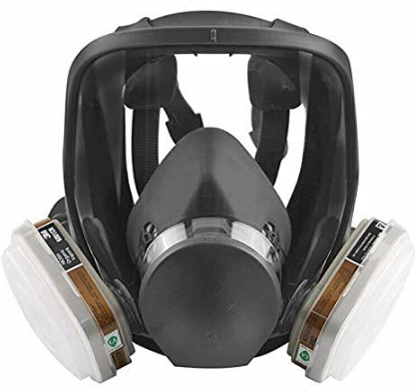 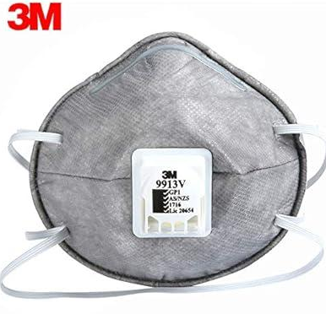 Activated Carbon Mask |  |  |  | 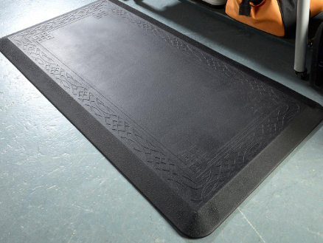 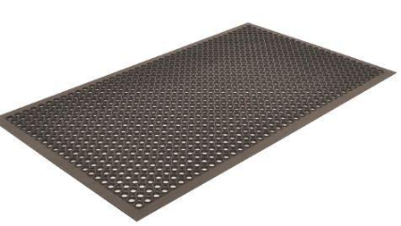 Anti-Fatigue Mat |  |  |  |  | 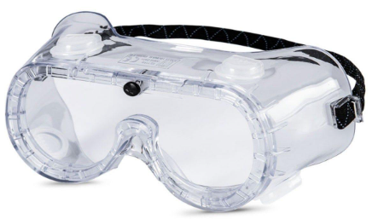 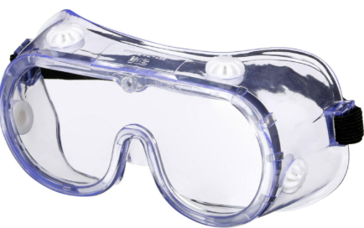 Anti-Fog Safety Goggles |  |  |  |  | Antiseptic Solution

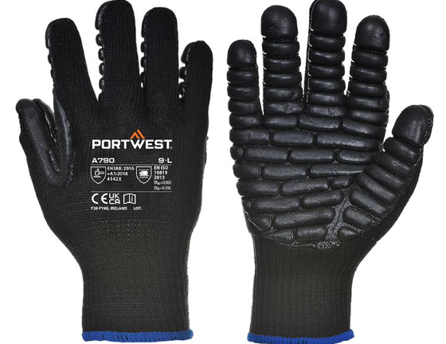 Anti Vibration Gloves |  |  | 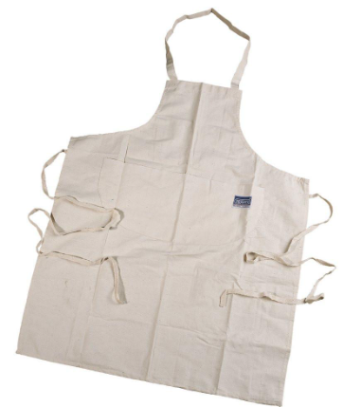 Apron |  |  | 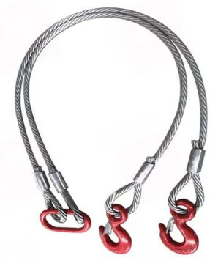 Wire Rope Sling |  |  | 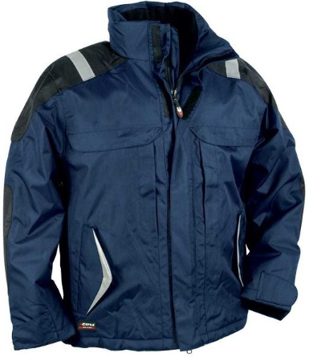 Winter Jacket |  | 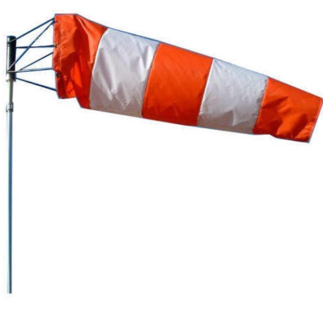  Wind Sock

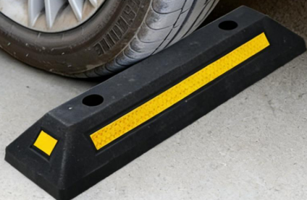 Wheel Stopper |  |  |  |  | Wheel Chock |  |  | Wet Floor Sign |  | Welding Sleeves |  |  |  | Welding Lens

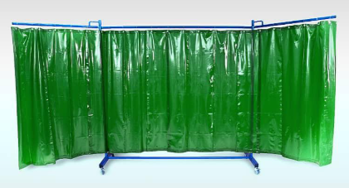 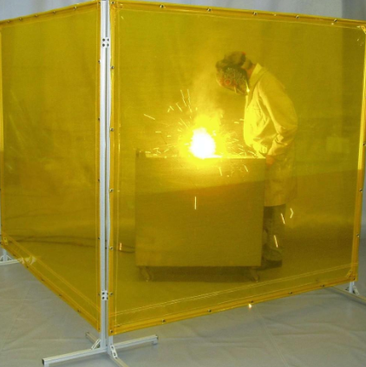 Welding Screen |  |  |  |  | 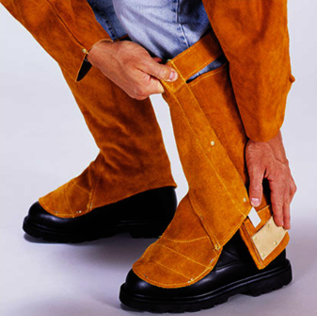 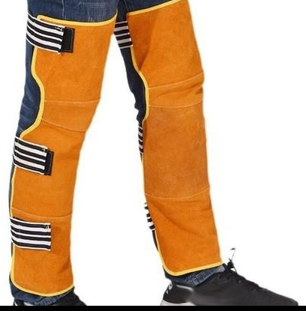 Welding Leg Guard |  |  |  | 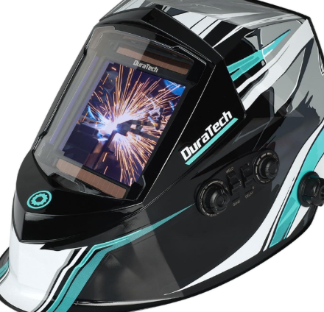 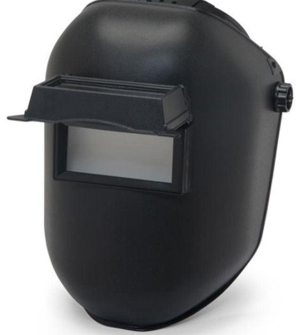 Welding Helmet |  |  |  | Welding Hand Shield

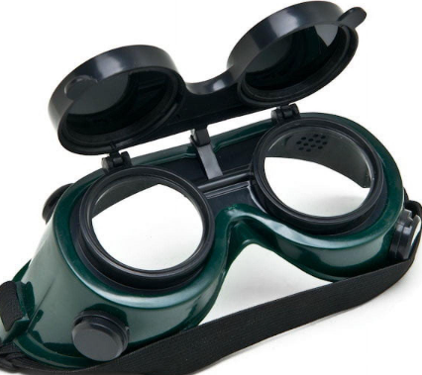 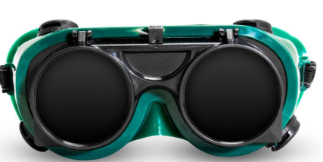 Welding Goggles |  |  |  |  | 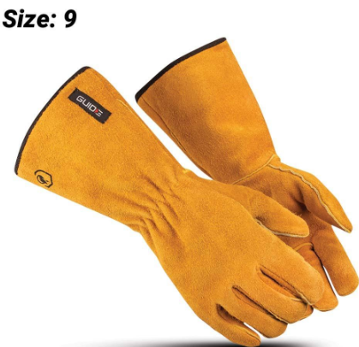 Welding Gloves |  |  | 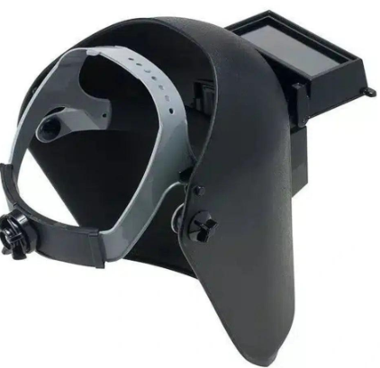 Welding Face Shield |  |  | 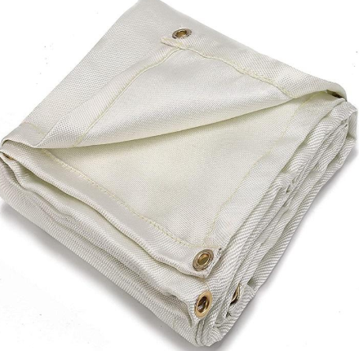 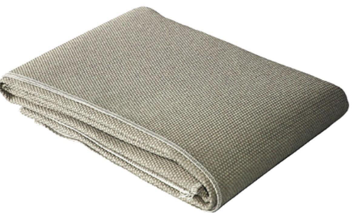 Welding Blanket

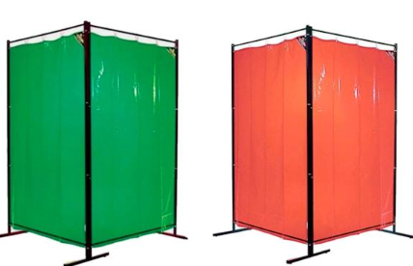 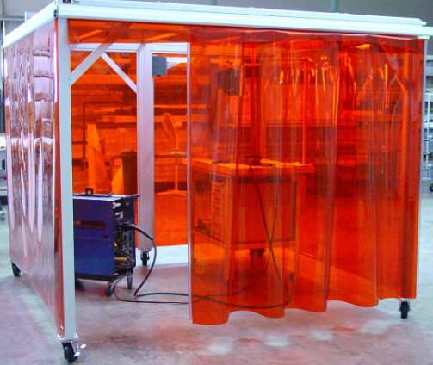 Welding Curtain |  |  |  |  | 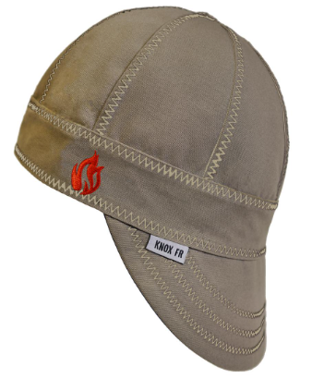 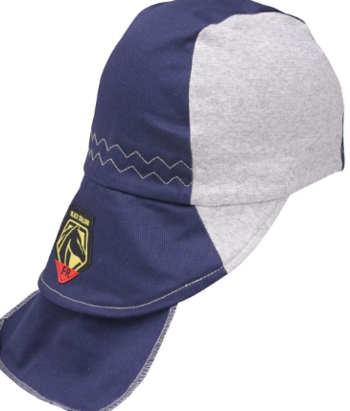 Welding Cap |  |  | 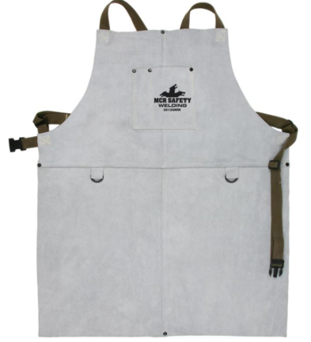 Welding Apron |  | 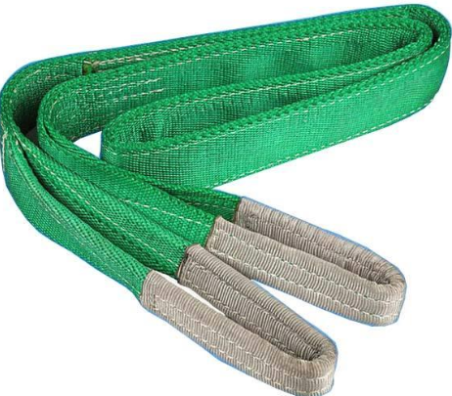 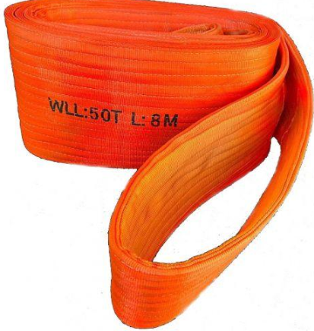 Webbing Sling |  |  |  |  | 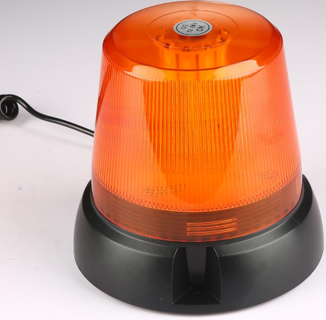 Warning Beacon

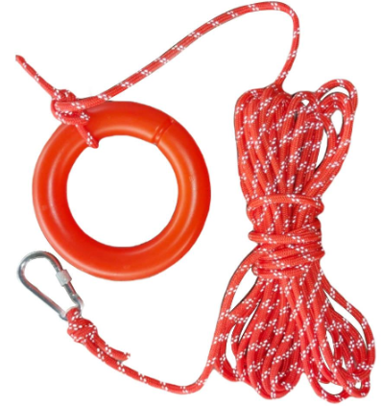 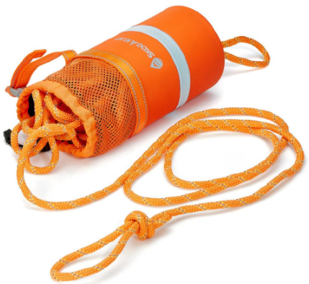 Water Rescue Rope |  |  |  | 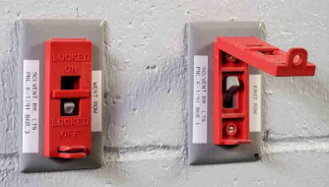 Wall Switch Lockout |  |  |  | Voltage Tester |  | 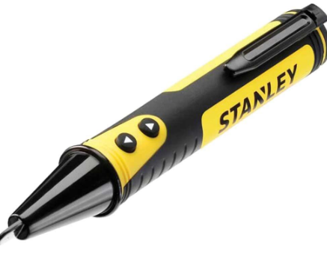 Voltage Detector |  |  |  |  Visor

 Visitor Shoe Covers |  |   Visitor Safety Vest |  |  |  |  Visitor Safety Kit |  | Visitor Safety Glasses |  |  Cut-Resistant Gloves |  |  |  |  CPR Mask

  Cryogenic Gloves |  |  |  |  CPR Face Shield |  |  | Coveralls |  |   Cotton Gloves |  |  |  |  Chemical Spill Kit

Chemical Spill Tray |  |  |  | Corrosive Warning Label |  |  | Confined Space Ventilator |  |  |  | Cone Chain |  | Cone Bar

 Cotton Boiler Suit |  Corner Protector |  |  Cooling Vest |  |  |  Convex Traffic Mirror |  |  |  Confined Space Safety |  |  |  Column Protector

